YUMA

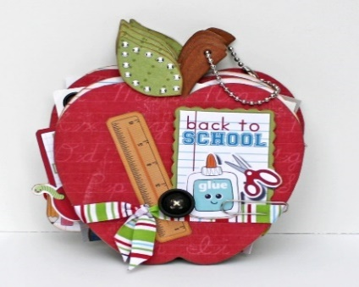
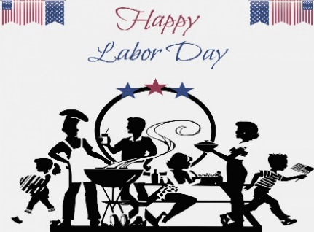
SEPTEMBER 2021
YUMA MEAL SITE
For Reservations or Cancelations call 848-2038 BY 7:30 A.M.
MONDAY | TUESDAY | WEDNESDAY | THURSDAY | FRIDAY
 |  | 1 | 2 | 3
Menu may change due to availability |  | SAVORY BAKED CHICKEN | CHOICE: CHICKEN SALAD | SOUTHERN BEEF PIE
of food items or conditions that cause | For Reservations | MASHED POTATOES W/ GRAVY | TUNA SALAD | BEETS
the kitchen to close. | Call 848-2038 by 7:30 a.m. | GREEN BEANS W/ TOMATOES | 3 BEAN SALAD | CABBAGE TOSS
 | the day you want the meal. | WW ROLL | FRENCH BREAD | PEAR SLICES
Suggested Donation - $4.00 |  | STRAWBERRIES & BANANAS | PEAR ORANGE FRUIT CUP | BROWNIES
 | If you must cancel your meal, | NATURE COOKIE | CARROT CAKE
Under Age 60 | please do so by 7:30 a.m. | SENIOR MEETING 12:00
Mandatory Charge - $12.50 | the day of the meal. | Calories: 782 Carb: 100.3g Fib: 10.2g | Calories: 610 Carb: 97.5g Fib: 11.0g | Calories: 626 Carb: 86.7g Fib: 9.5g
 |  | Protein: 44.1g Fat: 25.0g Sod: 1244mg | Protein: 29.3g Fat: 13.8g Sod: 881mg | Protein: 30.0g Fat: 20.7g Sod: 485mg
6 | 7 | 8 | 9 | 10
 | TACO CASSEROLE | CHOICE:HAMBURGER STEAK | BBQ BEEF SANDWICH | CHICKEN CROISSANT
 | SALSA | OVEN FRIED LIVER | BRUSSEL SPROUTS | TUSCANY SOUP
 | REFRIED BEANS | PARSLIED POTATOES | POTATO SALAD | SPINACH CAULIFLOWER SALAD
 | TOSSED SALAD W/ DRESSING | BRAISED CELERY & TOMATOES | FRUIT COCKTAIL | PINEAPPLE TIDBITS
 | FRUIT SALAD | WW ROLL | APPLE GRANOLA COOKIE
 |  | APPLESAUCE
 | BIRTHDAY RECOGNITION
 | Calories: 631 Carb: 84.8g Fib: 10.3g | Calories: 645 Carb: 91.9g Fib: 10.6g | Calories: 757 Carb: 110.1 Fib: 12.5g | Calories: 760 Carb: 105.6g Fib: 10.2g
 | Protein: 35.7g Fat: 17.6g Sod: 1026mg | Protein: 33.6g Fat: 17.9g Sod: 525mg | Protein: 34.6g Fat: 23.3g Sod: 900mg | Protein: 38.9g Fat: 22.7g Sod: 902mg
13 | 14 | 15 | 16 | 17
SPAGHETTI W/ MEAT SAUCE | CHOICE: HAMBURGER ON A BUN | BEEF O'LE | POT ROAST | HAM & BEANS
MARINATED VEGGIE SALAD | SEAFOOD BURGER ON A BUN | REFRIED BEANS | POT ROAST VEGETABLES | CORN MUFFIN
GARLIC BREAD | LETTUCE/TOMATO/ONION | MEXICALI CORN | ANNA'S DILLY BREAD | CREAMY COLESLAW
PLUMS | BAKED POTATO | PEAR ORANGE FRUIT CUP | FRUIT CUP | PINEAPPLE TIDBITS
COOKIE W/ CHOCOLATE CHIPS | CALIFORNIA VEGETABLES | CINNAMON CRISPIES | NATRUE COOKIE | OATMEAL NUT COOKIES
 | MANDARIN ORANGES W/ BANANAS

Calories: 693 Carb: 94.2g Fib: 11.3g | Calories: 672 Carb: 107.6g Fib: 11.7g | Calories: 742 Carb: 108.8g Fib: 14.2g | Calories: 683 Carb: 108.6g Fib: 10.4g | Calories: 718 Carb: 110.6g Fib: 13.9g
Protein: 33.6g Fat: 23.8g Sod: 586mg | Protein: 33.0g Fat: 15.7g Sod: 620mg | Protein: 37.7g Fat: 20.6g Sod: 585mg | Protein: 34.3g Fat: 15.0g Sod: 408mg | Protein: 29.9g Fat: 19.8g Sod: 1235mg
20 | 21 | 22 | 23 | 24
SALISBURY STEAK | TAHITIAN CHICKEN | SWEDISH MEATBALLS | ROAST PORK | CHOICE: CHICKEN PENNE CASSEROLE
BAKED POTATO | BROWN RICE | MASHED POTATOES | MASHED POTATOES W/ GRAVY | TUNA PENNE CASSEROLE
LAYERED SALAD | BROCCOLI | JEANNIE'S SALAD | CONFETTI COLESLAW | COUNTRY MIX VEGETABLES
OATMEAL ROLL | RAISIN ROLL | WW ROLL | GREEN BEANS ALMONDINE | BRAN MUFFIN
FRUIT CUP | CANTALOUPE CUBES | BANANA SPLIT FRUIT CUP | WW ROLL | MANDARIN ORANGES W/ BANANAS
 | NATURE COOKIE |  | APRICOT HALVES
 |  |  | BUTTERSCOTCH BROWNIE
Calories: 768 Carb: 91.5g Fib: 9.5g | Calories: 797 Carb: 98.0g Fib: 9.7g | Calories: 694 Carb: 98.3g Fib: 9.7g | Calories: 844 Carb: 116.0g Fib: 10.1g | Calories: 601 Carb: 99.2g Fib: 11.5g
Protein: 45.3g Fat: 26.1g Sod: 667mg | Protein: 45.9g Fat: 26.8g Sod: 449mg | Protein: 33.4g Fat: 21.6g Sod: 646mg | Protein: 35.1g Fat: 29.3g Sod: 1259mg | Protein: 30.2g Fat: 13.1g Sod: 627mg
27 | 28 | 29 | 30
HAMBURGER ON A BUN | LASAGNA | CHOICE: HAMBURGER STEAK | PENNE & CHEESE | IF YOU CHOOSE THE CHOICE ENTRÉE, PLEASE MAKE THE RESERVATION FOR IT AT LEAST 1 (one) DAY BEFORE.
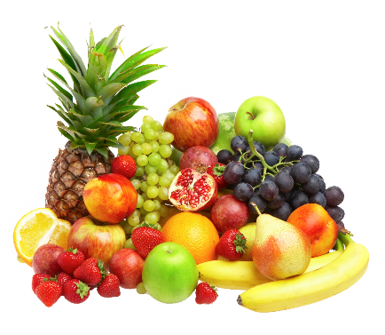
BAKED BEANS | TOSSED SALAD W/ DRESSING | BAKED FISH | APPLE CARROT RAISIN SALAD
CALIFORNIA VEGETABLES | PEAS | HERBED LENTILS AND RICE | BRUSSEL SPROUTS
LETTUCE/TOMATO/ONION | GARLIC BREAD | GREEN BEANS | WW ROLL
DILL PICKLE CHIPS | APPLESAUSE | BRAN MUFFIN | FRUIT SALAD
PEAR SLICES |  | PEACH SLICES
 |  | CINNAMON CRISPIES
Calories: 685 Carb: 83.9g Fib:12.5 g | Calories: 611 Carb: 84.7g Fib: 12.3g | Calories: 640 Carb: 96.8g Fib: 10.4g | Calories: 716 Carb: 98.9g Fib: 12.3g
Protein 44.9g Fat 21.5g Sod: 795 mg | Protein: 35.1g Fat: 17.3g Sod: 528mg | Protein: 32.3g Fat: 16.7g Sod: 1018mg | Protein: 31.7g Fat: 25.5g Sod: 716mg

